API-Viscosity
...
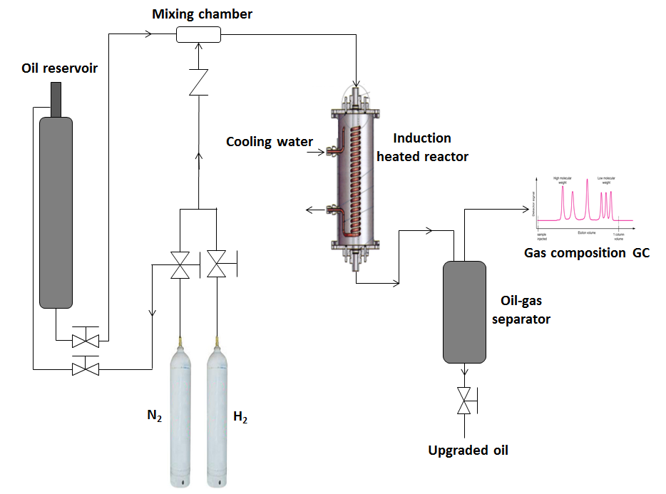
...

TGA_Distillation
...
 |  |  |  | NiMo + Nitrogen gas only
Upgraded oil (hydrogen) | 39 | 46.8 | 14.2 | 30.25 | 1.10434 | 99.42378
Standard deviations |  |  |  | 31.25 | 1.23448 | 99.31066
 | 2.43 | 1.8 | 1.6 | 32.25 | 1.35789 | 99.23493
 | 3.1 | 4.15 | 2.71 | 33.25 | 1.47626 | 99.16862
 | 2.73 | 2.1 | 2.34 | 34.25 | 1.59041 | 99.1054
 | 3.53 | 1.85 | 1.7 | 35.25 | 1.7011 | 99.03601
 |  |  |  | 36.25 | 1.80898 | 98.92779
 |  |  |  | 37.25 | 1.9143 | 98.86295
 |  |  |  | 38.25 | 2.01755 | 98.792
 |  |  |  | 39.25 | 2.11905 | 98.72232
 | IBP-177 ºC | 177-345 ºC | > 345 ºC
Heavy oil | 22.8 | 45.5 | 31.7
Upgraded oil (Nitrogen) | 35.2 | 39.2 | 25.6
Upgraded oil (Tetralin + Nitrogen) | 43.3 | 41.2 | 15.5
Upgraded oil (Decalin + Nitrogen) | 41.5 | 46.8 | 11.7
Upgraded oil (hydrogen) | 39 | 46.8 | 14.2
 |  |  |  | 40.25 | 2.21898 | 98.65083
 |  |  |  | 41.25 | 2.31754 | 98.55894
 |  |  |  | 42.25 | 2.41488 | 98.48102
 |  |  |  | 43.25 | 2.51127 | 98.39764
 |  |  |  | 44.25 | 2.60676 | 98.31127
 |  |  |  | 45.25 | 2.70165 | 98.22901
 |  |  |  | 46.25 | 2.79587 | 98.15978
 |  |  |  | 47.25 | 2.88946 | 98.07236
 |  |  |  | 48.25 | 2.9827 | 97.97588
 |  |  |  | 49.25 | 3.07553 | 97.88835
 |  |  |  | 50.25 | 3.16804 | 97.78486
 |  |  |  | 51.25 | 3.26031 | 97.68913
 |  |  |  | 52.25 | 3.35231 | 97.58485
 |  |  |  | 53.25 | 3.44432 | 97.47704
 |  |  |  | 54.25 | 3.53613 | 97.3687
 |  |  |  | 55.25 | 3.62781 | 97.26204
 |  |  |  | 56.25 | 3.71934 | 97.17487
 |  |  |  | 57.25 | 3.811 | 97.02456
 |  |  |  | 58.25 | 3.90275 | 96.90798
 |  |  |  | 59.25 | 3.99445 | 96.76717
 |  |  |  | 60.25 | 4.08619 | 96.65017
 |  |  |  | 61.25 | 4.17797 | 96.51294
 |  |  |  | 62.25 | 4.2696 | 96.37728
 |  |  |  | 63.25 | 4.36115 | 96.24669
 |  |  |  | 64.25 | 4.45278 | 96.11754
 |  |  |  | 65.25 | 4.54451 | 95.9891
 |  |  |  | 66.25 | 4.6365 | 95.84309
...

Coke
 | TG_NiMo (Nitrogen) |  | TG_NiMo (Hydrogen) |  | TG_NiMo (Decalin + Nitrogen) |  | TG_NiMo (Tetralin + Nitrogen) |  | DTG_NiMo (Nitrogen) |  | DTG_NiMo (Hydrogen) |  | DTG_NiMo (Decalin + Nitrogen) |  | DTG_NiMo (Tetralin + Nitrogen)
115 | 98.2701 | 24.707 | 100 | 115 | 100.02402 | 110 | 98.7434 | 115 | -1.02E-01 | 24.707 | 2.62E-01 | 115 | -8.32E-02 | 110 | -0.30445
120 | 98.23338 | 29.707 | 100.2504 | 120 | 99.98978 | 115 | 98.60966 | 120 | -7.06E-02 | 29.707 | 4.86E-02 | 120 | -7.67E-02 | 115 | -0.30988
125 | 98.18733 | 34.707 | 100.2334 | 125 | 99.93958 | 120 | 98.44305 | 125 | -9.06E-02 | 34.707 | -8.19E-02 | 125 | -9.74E-02 | 120 | -0.30455
130 | 98.13396 | 39.707 | 100.19193 | 130 | 99.88838 | 125 | 98.29965 | 130 | -8.56E-02 | 39.707 | -1.99E-02 | 130 | -1.25E-01 | 125 | -0.29861
135 | 98.09975 | 44.707 | 100.22426 | 135 | 99.82876 | 130 | 98.13922 | 135 | -6.76E-02 | 44.707 | 1.62E-02 | 135 | -1.30E-01 | 130 | -0.30731
140 | 98.07896 | 49.707 | 100.20964 | 140 | 99.76179 | 135 | 97.99984 | 140 | -7.58E-02 | 49.707 | -3.17E-02 | 140 | -1.53E-01 | 135 | -0.30212
145 | 98.0348 | 54.707 | 100.18352 | 145 | 99.68706 | 140 | 97.86335 | 145 | -5.86E-02 | 54.707 | -6.59E-02 | 145 | -1.46E-01 | 140 | -0.3043
150 | 98.01214 | 59.707 | 100.15081 | 150 | 99.61304 | 145 | 97.69874 | 150 | -4.40E-02 | 59.707 | -6.14E-02 | 150 | -1.69E-01 | 145 | -0.29445
155 | 97.99687 | 64.707 | 100.11792 | 155 | 99.50958 | 150 | 97.56997 | 155 | -5.26E-02 | 64.707 | -6.66E-02 | 155 | -1.98E-01 | 150 | -0.29602
160 | 97.95778 | 69.707 | 100.09411 | 160 | 99.4185 | 155 | 97.41644 | 160 | -5.17E-02 | 69.707 | -7.54E-02 | 160 | -2.16E-01 | 155 | -0.31587
165 | 97.95006 | 74.707 | 100.06037 | 165 | 99.31924 | 160 | 97.25226 | 165 | -3.57E-02 | 74.707 | -8.83E-02 | 165 | -2.27E-01 | 160 | -0.31991
170 | 97.93142 | 79.707 | 100.00909 | 170 | 99.20367 | 165 | 97.10321 | 170 | -2.89E-02 | 79.707 | -9.49E-02 | 170 | -2.47E-01 | 165 | -0.30001
175 | 97.91805 | 84.707 | 99.96553 | 175 | 99.0653 | 170 | 96.96627 | 175 | -2.87E-02 | 84.707 | -1.13E-01 | 175 | -2.82E-01 | 170 | -0.31055
180 | 97.89625 | 89.707 | 99.89645 | 180 | 98.91178 | 175 | 96.805 | 180 | -1.74E-02 | 89.707 | -1.24E-01 | 180 | -3.02E-01 | 175 | -0.31125
185 | 97.8971 | 94.707 | 99.84939 | 185 | 98.77438 | 180 | 96.64381 | 185 | -7.14E-03 | 94.707 | -1.34E-01 | 185 | -2.70E-01 | 180 | -0.30293
190 | 97.88466 | 99.707 | 99.76776 | 190 | 98.64768 | 185 | 96.50821 | 190 | -3.22E-02 | 99.707 | -1.62E-01 | 190 | -3.18E-01 | 185 | -0.29042
195 | 97.87284 | 104.707 | 99.69031 | 195 | 98.44825 | 190 | 96.35485 | 195 | -1.93E-02 | 104.707 | -1.77E-01 | 195 | -3.63E-01 | 190 | -0.3062
200 | 97.87464 | 109.707 | 99.60911 | 200 | 98.28067 | 195 | 96.19775 | 200 | 8.35E-04 | 109.707 | -2.09E-01 | 200 | -4.07E-01 | 195 | -0.29985
205 | 97.86556 | 114.707 | 99.48478 | 205 | 98.06514 | 200 | 96.06162 | 205 | -1.39E-02 | 114.707 | -2.36E-01 | 205 | -4.30E-01 | 200 | -0.27738
210 | 97.85669 | 119.707 | 99.36781 | 210 | 97.84214 | 205 | 95.90257 | 210 | 1.22E-02 | 119.707 | -2.29E-01 | 210 | -4.81E-01 | 205 | -0.31228
215 | 97.88 | 124.707 | 99.24478 | 215 | 97.57621 | 210 | 95.7502 | 215 | 7.59E-03 | 124.707 | -2.54E-01 | 215 | -5.01E-01 | 210 | -0.29912
220 | 97.86355 | 129.707 | 99.11884 | 220 | 97.34634 | 215 | 95.60818 | 220 | -9.30E-03 | 129.707 | -2.95E-01 | 220 | -5.16E-01 | 215 | -0.29387
225 | 97.88023 | 134.707 | 98.96524 | 225 | 97.07061 | 220 | 95.46692 | 225 | 3.49E-02 | 134.707 | -3.11E-01 | 225 | -5.57E-01 | 220 | -0.30735
230 | 97.89556 | 139.707 | 98.8141 | 230 | 96.7926 | 225 | 95.31428 | 230 | 2.69E-02 | 139.707 | -3.30E-01 | 230 | -5.91E-01 | 225 | -0.30315
235 | 97.90445 | 144.707 | 98.641 | 235 | 96.47989 | 230 | 95.16774 | 235 | 1.01E-02 | 144.707 | -3.53E-01 | 235 | -6.36E-01 | 230 | -0.28567
240 | 97.90721 | 149.707 | 98.46695 | 240 | 96.15735 | 235 | 95.02254 | 240 | 4.38E-02 | 149.707 | -3.60E-01 | 240 | -6.52E-01 | 235 | -0.30754
245 | 97.9289 | 154.707 | 98.28591 | 245 | 95.82804 | 240 | 94.84899 | 245 | 4.67E-02 | 154.707 | -3.97E-01 | 245 | -6.77E-01 | 240 | -0.28868
250 | 97.97 | 159.707 | 98.0768 | 250 | 95.48692 | 245 | 94.73325 | 250 | 4.67E-02 | 159.707 | -4.39E-01 | 250 | -7.38E-01 | 245 | -0.24226
255 | 97.9773 | 164.707 | 97.86724 | 255 | 95.09691 | 250 | 94.6244 | 255 | 4.27E-02 | 164.707 | -4.43E-01 | 255 | -7.56E-01 | 250 | -0.29448
260 | 98.02509 | 169.707 | 97.64006 | 260 | 94.72959 | 255 | 94.44572 | 260 | 3.17E-02 | 169.707 | -4.50E-01 | 260 | -7.79E-01 | 255 | -0.31258
265 | 98.01617 | 174.707 | 97.41364 | 265 | 94.32533 | 260 | 94.30703 | 265 | 5.52E-02 | 174.707 | -4.75E-01 | 265 | -8.00E-01 | 260 | -0.28562
270 | 98.0527 | 179.707 | 97.165 | 270 | 93.92299 | 265 | 94.15905 | 270 | 5.53E-02 | 179.707 | -4.89E-01 | 270 | -8.19E-01 | 265 | -0.28198
275 | 98.08071 | 184.707 | 96.93287 | 275 | 93.5149 | 270 | 94.02491 | 275 | 6.81E-02 | 184.707 | -4.83E-01 | 275 | -9.16E-01 | 270 | -0.25824
280 | 98.11988 | 189.707 | 96.69095 | 280 | 93.1084 | 275 | 93.89994 | 280 | 3.86E-02 | 189.707 | -5.07E-01 | 280 | -1.39E+00 | 275 | -0.26246
285 | 98.11999 | 194.707 | 96.43471 | 285 | 92.19527 | 280 | 93.77173 | 285 | 7.33E-02 | 194.707 | -5.19E-01 | 285 | -1.12E+00 | 280 | -0.27693
290 | 98.18538 | 199.707 | 96.17061 | 290 | 91.80898 | 285 | 93.63638 | 290 | 8.89E-02 | 199.707 | -5.15E-01 | 290 | -7.78E-01 | 285 | -0.26888
295 | 98.20004 | 204.707 | 95.9214 | 295 | 91.4397 | 290 | 93.48622 | 295 | 8.07E-02 | 204.707 | -5.06E-01 | 295 | -6.73E-01 | 290 | -0.25734
300 | 98.2608 | 209.707 | 95.67063 | 300 | 91.14454 | 295 | 93.37861 | 300 | 6.78E-02 | 209.707 | -5.08E-01 | 300 | -5.85E-01 | 295 | -0.23285
305 | 98.28055 | 214.707 | 95.41191 | 305 | 90.86229 | 300 | 93.26644 | 305 | 6.07E-02 | 214.707 | -5.14E-01 | 305 | -5.25E-01 | 300 | -0.25334
310 | 98.31325 | 219.707 | 95.15598 | 310 | 90.62686 | 305 | 93.11719 | 310 | 4.89E-02 | 219.707 | -5.25E-01 | 310 | -3.99E-01 | 305 | -0.23956
315 | 98.33426 | 224.707 | 94.89393 | 315 | 90.45382 | 310 | 93.00822 | 315 | 5.30E-02 | 224.707 | -5.35E-01 | 315 | -3.00E-01 | 310 | -0.24593
320 | 98.36468 | 229.707 | 94.62242 | 320 | 90.31866 | 315 | 92.88302 | 320 | 3.84E-02 | 229.707 | -5.52E-01 | 320 | -2.34E-01 | 315 | -0.23998
325 | 98.38139 | 234.707 | 94.3383 | 325 | 90.22637 | 320 | 92.7781 | 325 | 3.44E-02 | 234.707 | -5.61E-01 | 325 | -1.65E-01 | 320 | -0.19282
330 | 98.41174 | 239.707 | 94.06189 | 330 | 90.16103 | 325 | 92.68784 | 330 | 4.17E-02 | 239.707 | -5.47E-01 | 330 | -1.15E-01 | 325 | -0.17211
335 | 98.41334 | 244.707 | 93.8024 | 335 | 90.10733 | 330 | 92.60256 | 335 | 5.47E-02 | 244.707 | -5.50E-01 | 335 | -1.14E-01 | 330 | -0.16405
340 | 98.45547 | 249.707 | 93.51263 | 340 | 90.03637 | 335 | 92.53405 | 340 | 5.99E-02 | 249.707 | -5.79E-01 | 340 | -1.22E-01 | 335 | -0.14859
345 | 98.49485 | 254.707 | 93.21881 | 345 | 90.00014 | 340 | 92.45183 | 345 | 1.77E-02 | 254.707 | -5.85E-01 | 345 | -1.16E-01 | 340 | -0.14438
350 | 98.47765 | 259.707 | 92.93393 | 350 | 89.93149 | 345 | 92.37635 | 350 | 2.84E-02 | 259.707 | -5.92E-01 | 350 | -1.65E-01 | 345 | -0.13382
355 | 98.50149 | 264.707 | 92.63028 | 355 | 89.81671 | 350 | 92.3305 | 355 | -7.11E-03 | 264.707 | -6.04E-01 | 355 | -1.35E-01 | 350 | -0.114
360 | 98.46619 | 269.707 | 92.32816 | 360 | 89.78585 | 355 | 92.26631 | 360 | -2.12E-02 | 269.707 | -6.08E-01 | 360 | -1.11E-01 | 355 | -0.1196
...
...
NiMo (Hydrogen gas)
##Temp./ｰC | Time/min | Mass/% | DTG/(%/min)
24.707 | 0.00E+00 | 100 | 0.26169
29.707 | 0.95994 | 100.2504 | 4.86E-02
34.707 | 1.58939 | 100.2334 | -8.19E-02
39.707 | 2.12307 | 100.19193 | -1.99E-02
44.707 | 2.61493 | 100.22426 | 1.62E-02
49.707 | 3.08795 | 100.20964 | -3.17E-02
54.707 | 3.55159 | 100.18352 | -6.59E-02
59.707 | 4.01207 | 100.15081 | -6.14E-02
64.707 | 4.47289 | 100.11792 | -6.66E-02
69.707 | 4.93511 | 100.09411 | -7.54E-02
74.707 | 5.40115 | 100.06037 | -8.83E-02
79.707 | 5.87128 | 100.00909 | -9.49E-02
84.707 | 6.34588 | 99.96553 | -0.11305
89.707 | 6.82454 | 99.89645 | -0.12439
94.707 | 7.30697 | 99.84939 | -0.13401
99.707 | 7.79243 | 99.76776 | -0.16188
104.707 | 8.28058 | 99.69031 | -0.17655
109.707 | 8.7698 | 99.60911 | -0.20942
114.707 | 9.26111 | 99.48478 | -0.23635 | Spent catalyst sample | Coke (%) | Complete burn-off temperature (ºC) | Asphaltene (wt%)
119.707 | 9.75225 | 99.36781 | -0.22884 | NiMo (Nitrogen) | 21.7 | 632 | 8.8
124.707 | 10.24463 | 99.24478 | -0.25437 | NiMo (Decalin + Nitrogen) | 13.4 | 585 | 6.2
129.707 | 10.73685 | 99.11884 | -0.29497 | NiMo (Tetralin + Nitrogen) | 17.3 | 628 | 7.4
134.707 | 11.22834 | 98.96524 | -0.31115 | NiMo (Hydrogen) | 14.2 | 591 | 6.4
139.707 | 11.71992 | 98.8141 | -0.33039
144.707 | 12.21126 | 98.641 | -0.35314
149.707 | 12.70229 | 98.46695 | -0.35987
...

